SAT-OVM-MTN-03
▣ Scenario SAT-OVM-MTN-03: Inquiry

ΠΡΟΣΩΠΙΚΟ / ΟΔΗΓΟΣ
Tapping card
View OSCVM Setting screen
Select the statistics menu
View Statistics data
SCVM
Validate card
▶ Περιγραφή & Ροή
Περιγραφή |  | It provides the statistics data using saved transaction data of validation
Ροή εργασιών

▶ Προετοιμασία
Προετοιμασία |  | STAFF/DRIVER 1 EA, OSCVM 1 EA

▶ Δεδομένα
Αρ. | Αντικείμενο | 1 | 2 | 3 | 4 | 5
1 | N/A

001
Test Case -SAT-OVM-MTN-03-001 : Statistics of Transaction Data

1. Test Scenario
Test date |  | 1st |  | Tester |  | 1st
 |  | 2nd |  |  |  | 2nd
 |  | 3rd |  |  |  | 3rd

Login
Vıew Settings Menu
Select Statistics menu
View Statistics
Description |  | Statistics of Transaction Data |  |  |  |  | Written by |  | Süleyman Kabadayı
Flow

NO | Task | Test data | Expected result | Person in charge | Result |  | Pass/Fail |  |  | Remark
 |  |  |  |  |  |  | 1st | 2nd | 3rd
1 | [Login] 1. Staff card taps on the OSCVM 2. Select Statistic menu | Test Data : A | Success to Login | KIM J.E. | 1st |  |  |  |  | Test Data:B
 |  |  |  |  | 2nd
 |  |  |  |  | 3rd
2 | 1. Select Statistics menu |  | Display the screen of the statistics | KIM J.E. | 1st |  |  |  |  | Test Data:C
 |  |  |  |  | 2nd
 |  |  |  |  | 3rd

NO | Item
A | Staff card | Staff card for testing
B | 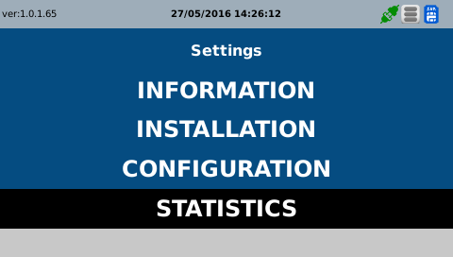 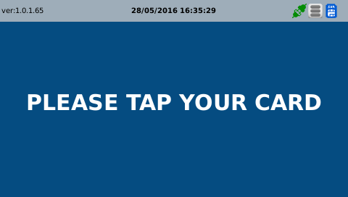 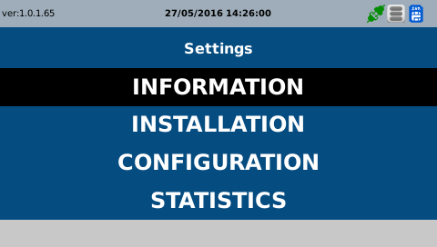
C | 